Sheet1
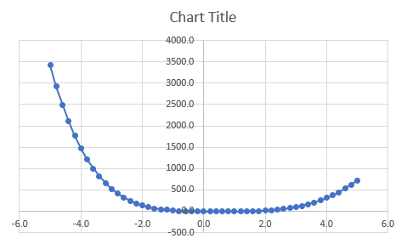
Assignment curve fitting
module: ML3 minor AI / Jan Oostindie
workshop dd 27-9-2021
 |  | Best trained values
a= | -0.2 | a= | -0.2
b= | -5.8 | b= | 3.0
c= | -5.8 | c= | -5.7
d= | -8.5 | d= | 7.5
e= | 0.5 | e= | -5.7
f= | 5.7 | f= | -3.6
x_start = | -5.0 |  | -5.0
step= | 0.2 |  | 0.2
 |  | Fitness | 354.02189718

x | 𝑦̂ | Y
-5.0 | -2429.3 | 3420
-4.8 | -2075.9 | 2924.8
-4.6 | -1761.3 | 2487.5
-4.4 | -1482.8 | 2103.2
-4.2 | -1237.9 | 1766.9
-4.0 | -1024.0 | 1474.2
-3.8 | -838.5 | 1220.8
-3.6 | -679.0 | 1002.8
-3.4 | -543.2 | 816.4
-3.2 | -428.7 | 658.1
-3.0 | -333.1 | 524.8
-2.8 | -254.5 | 413.5
-2.6 | -190.7 | 321.4
-2.4 | -139.7 | 246
-2.2 | -99.6 | 184.9
-2.0 | -68.9 | 136.2
-1.8 | -45.8 | 97.9
-1.6 | -28.9 | 68.2
-1.4 | -16.9 | 45.6
-1.2 | -8.7 | 28.9
-1.0 | -3.1 | 16.8
-0.8 | 0.5 | 8.3
-0.6 | 2.8 | 2.5
-0.4 | 4.3 | -1.3
-0.2 | 5.3 | -3.6
0.0 | 5.7 | -5
0.2 | 5.4 | -5.7
0.4 | 4.0 | -6
0.6 | 0.9 | -6
0.8 | -4.8 | -5.6
1.0 | -14.2 | -4.8
1.2 | -28.7 | -3.4
1.4 | -49.9 | -1.2
1.6 | -79.7 | 2.1
1.8 | -120.3 | 7
2.0 | -174.3 | 13.8
2.2 | -244.4 | 23.1
2.4 | -333.7 | 35.3
2.6 | -445.7 | 51
2.8 | -584.0 | 70.8
3.0 | -752.8 | 95.2
3.2 | -956.5 | 124.9
3.4 | -1199.8 | 160.4
3.6 | -1488.0 | 202.4
3.8 | -1826.4 | 251.3
4.0 | -2221.0 | 307.8
4.2 | -2678.1 | 372.4
4.4 | -3204.2 | 445.4
4.6 | -3806.6 | 527.5
4.8 | -4492.6 | 618.9
5.0 | -5270.1 | 720

